TIMBERLAND
REFERENCE | DESCRIPTION | PHOTO | RRP | WHL | PRICE TAKE ALL | TOT | Break
 |  |  |  |  |  |  | UK | 7 | 7.5 | 8 | 8.5 | 9 | 9.5 | 10 | 10.5 | 11 | 11.5 | 12.5
 |  |  |  |  |  |  | US | 7.5 | 8 | 8.5 | 9 | 9.5 | 10 | 10.5 | 11 | 11.5 | 12 | 13
 |  |  |  |  |  |  | EU | 41 | 41.5 | 42 | 43 | 43.5 | 44 | 44.5 | 45 | 45.5 | 46 | 47.5
TB1A65992121 | Winsor Park MID LACE UP SNEAKER COGNAC | 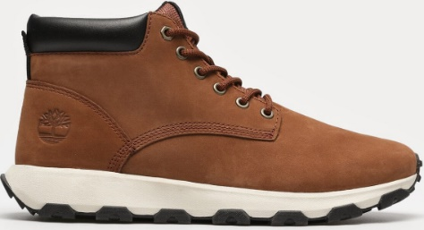 | € 155.00 | € 77.50 | € 59.68 | 835 | € 49,828.63 | 85 | 38 | 153 | 171 | 62 | 161 | 33 | 102 | 17 | 7 | 6
TB0A6DKNW061 | Field Trekker LOW LACE UP SNEAKER NAVY NUBUCK | 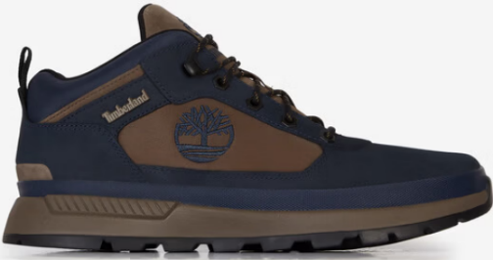 | € 140.00 | € 70.00 | € 53.90 | 218 | € 11,750.20 | 34 |  | 71 | 75 |  | 38
TB0A41W7EJU1 | Winsor Trail MID LACE UP WATERPROOF MEDIUM BROWN MESH | 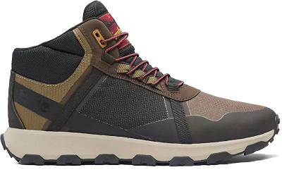 | € 145.00 | € 72.50 | € 55.83 | 200 | € 11,165.00 | 10 | 10 | 34 | 40 | 10 | 40 | 10 | 20 | 10 | 16
TB0A6BPWEBF1 | GreenStride Motion 6 LOW LACE UP SNEAKER OLIVE MESH | 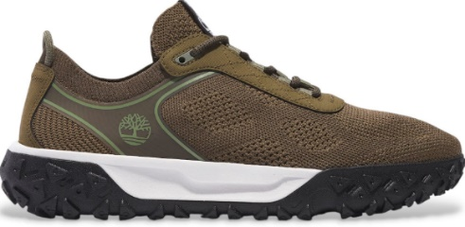 | € 130.00 | € 65.00 | € 50.05 | 51 | € 2,552.55 | 6 |  | 12 | 16 |  | 10 |  | 7
TB0A6DP2EWS1 | Voyager Park MID LACE UP SNEAKER BLACK SUEDE W WHITE | 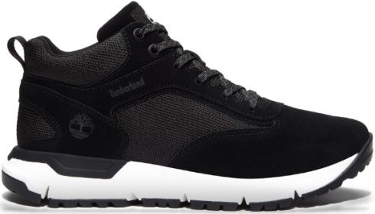 | € 140.00 | € 70.00 | € 53.90 | 25 | € 1,347.50 | 3 |  | 5 | 8 |  | 5 | 4
TB1A5XRG0151 | GreenStride Motion 6 MID LACE UP WATERPROOF HIKING BOOT JET BLACK | 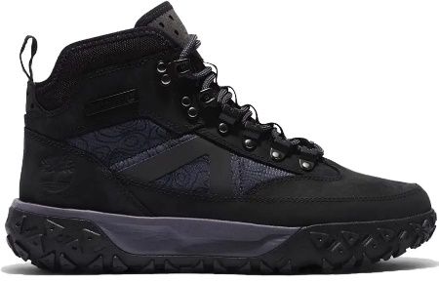 | € 180.00 | € 90.00 | € 69.30 | 26 | € 1,801.80 | 3 | 3 | 6 | 4 |  | 4 | 1 | 4 |  | 1
TB0A6A2DES31 | Maple Grove LOW LACE UP SNEAKER MEDIUM BLUE SUEDE |  | € 120.00 | € 60.00 | € 46.20 | 23 | € 1,062.60 | 2 | 4 | 4 | 5 |  | 3 | 2 | 2 |  | 1
TB0A6DQDEO21 | Sprint Trekker MID LACE UP SNEAKER LIGHT TAUPE NUBUCK | 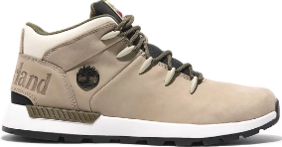 | € 145.00 | € 72.50 | € 55.83 | 16 | € 893.20 | 2 | 3 | 1 | 2 |  | 5 | 3
 |  |  |  |  |  | 1394 | € 80,401.48

